AUTOSALES_DASHBOARD

AUTO SALES
DATA DASHBOARD

SLICERS

AVERAGE SALES PER YEAR
SALES FREQUENCY BY COUNTRY
MONTHLY SALES PERFORMANCE BY YEAR

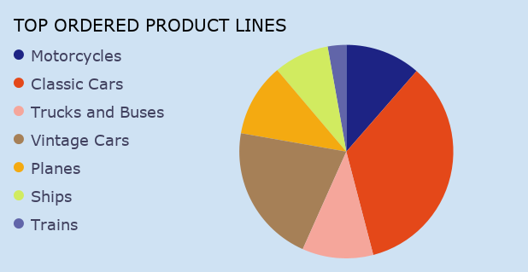

SALES COUNT PER YEAR

PRODUCT LINE SALES BY YEAR

AVERAGE ITEM PRICE BY PRODUCT LINE

SALES CONTRIBUTION BY COUNTRY

PRODUCT LINE BY DEAL SIZE

SALES STATUS SUMMARY

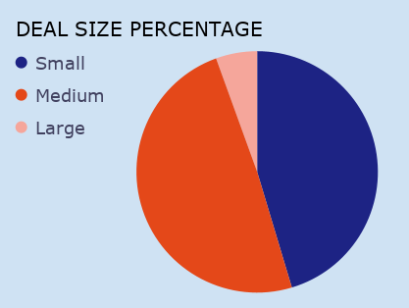

DRAFTED

DRAFTED

Pivot Table 12
Large, Medium and Small

Pivot Table 10
2018, 2019 and 2020

Pivot Table 8
SUM of SALES vs. MONTH 2018
SUM of SALES vs. MONTH 2019

SUM of SALES vs. MONTH 2020

